Sheet1
NOTE: These numbers represent monthly totals of voter records removed from the KY Voter Registration Database for the specified reason.
Please see descriptions of each category at right and scroll down to see category totals at bottom.

Date | Deceased | Felon | Incompetent | Moved Out of State | At Voter Request | Duplicates | Other | Inactive Purge

Apr-24 | 3349 | 543 | 32 | 562 | 48 | 59 | 0 | 0
Mar-24 | 3578 | 617 | 55 | 473 | 92 | 24 | 0 | 0
Feb-24 | 15125 | 311 | 54 | 354 | 110 | 28 | 0 | 0
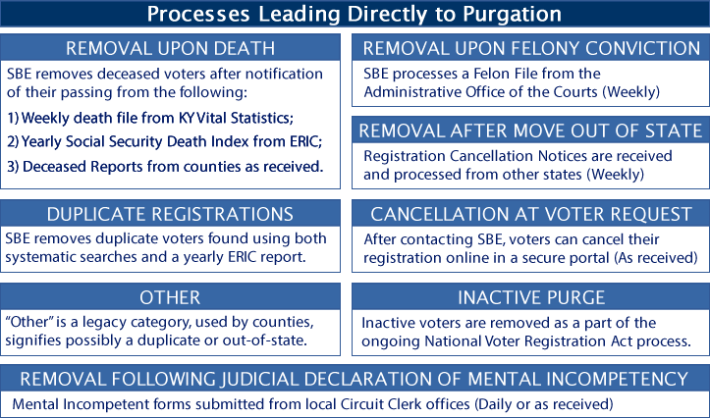
Jan-24 | 5089 | 578 | 44 | 325 | 78 | 42 | 0 | 0
Dec-23 | 2479 | 502 | 55 | 297 | 55 | 71 | 0 | 0
Nov-23 | 5461 | 1067 | 77 | 525 | 54 | 94 | 0 | 0
Oct-23 | 1617 | 0 | 21 | 158 | 63 | 57 | 0 | 0
Sep-23 | 3999 | 650 | 55 | 320 | 80 | 39 | 1 | 0
Aug-23 | 2689 | 307 | 20 | 375 | 121 | 15 | 0 | 0
Jul-23 | 3575 | 659 | 47 | 466 | 156 | 48 | 0 | 0
Jun-23 | 7049 | 1175 | 83 | 734 | 306 | 32 | 1 | 0
May-23 | 1692 | 0 | 39 | 307 | 116 | 37 | 0 | 0
Apr-23 | 2471 | 376 | 33 | 125 | 243 | 38 | 2 | 0
Mar-23 | 3608 | 539 | 50 | 267 | 334 | 24 | 0 | 0
Feb-23 | 3714 | 422 | 44 | 441 | 148 | 1307 | 0 | 127436
Jan-23 | 5970 | 742 | 42 | 284 | 21 | 56 | 0 | 0
Dec-22 | 3686 | 391 | 43 | 1429 | 44 | 123 | 1 | 0
Nov-22 | 5517 | 953 | 83 | 492 | 21 | 141 | 0 | 0
Oct-22 | 1594 | 248 | 2 | 141 | 32 | 90 | 2 | 0
Sep-22 | 3239 | 497 | 34 | 329 | 38 | 59 | 0 | 0
Aug-22 | 4189 | 677 | 65 | 412 | 29 | 27 | 1 | 0
Jul-22 | 2624 | 798 | 23 | 330 | 21 | 41 | 0 | 0
Jun-22 | 3251 | 1350 | 66 | 948 | 115 | 93 | 3 | 0
May-22 | 3996 | 163 | 60 | 192 | 9 | 69 | 0 | 0
Apr-22 | 2671 | 252 | 23 | 215 | 21 | 64 | 0 | 0
Mar-22 | 5874 | 613 | 71 | 300 | 23 | 209 | 0 | 0
Feb-22 | 5852 | 396 | 29 | 401 | 26 | 1544 | 0 | 0
Jan-22 | 5514 | 558 | 21 | 304 | 37 | 374 | 0 | 0
Dec-21 | 2876 | 386 | 41 | 482 | 31 | 76 | 1 | 0
Nov-21 | 6606 | 615 | 64 | 443 | 27 | 208 | 0 | 0
Oct-21 | 5908 | 873 | 24 | 314 | 26 | 71 | 1 | 0
Sep-21 | 929 | 125 | 64 | 350 | 33 | 39 | 0 | 0
Aug-21 | 10693 | 369 | 40 | 706 | 27 | 65 | 0 | 0
Jul-21 | 3203 | 436 | 23 | 928 | 35 | 170 | 1 | 0
Jun-21 | 4000 | 374 | 249 | 1236 | 21 | 107 | 0 | 0
May-21 | 3217 | 363 | 9 | 749 | 19 | 67 | 1 | 0
Apr-21 | 3396 | 455 | 0 | 1026 | 50 | 186 | 0 | 0
Mar-21 | 4622 | 542 | 0 | 836 | 611 | 215 | 0 | 0
Feb-21 | 4274 | 198 | 2 | 422 | 210 | 385 | 0 | 0
Jan-21 | 12705 | 1641 | 56 | 460 | 65 | 572 | 0 | 0
Dec-20 | 2625 | 3 | 0 | 287 | 174 | 256 | 0 | 0
Nov-20 | 139 | 0 | 0 | 800 | 48 | 303 | 2 | 0
Oct-20 | 898 | 5 | 7 | 130 | 81 | 526 | 3 | 0
Sep-20 | 5492 | 401 | 44 | 609 | 87 | 182 | 0 | 0
Aug-20 | 1882 | 321 | 58 | 381 | 80 | 128 | 2 | 0
Jul-20 | 5921 | 326 | 16 | 330 | 27 | 84 | 0 | 0
Jun-20 | 728 | 0 | 5 | 65 | 28 | 107 | 0 | 0
May-20 | 3697 | 357 | 7 | 161 | 25 | 105 | 0 | 0
Apr-20 | 3038 | 437 | 0 | 139 | 18 | 214 | 0 | 0
Mar-20 | 3783 | 719 | 36 | 202 | 20 | 63 | 0 | 0
Feb-20 | 3172 | 599 | 38 | 235 | 39 | 55 | 0 | 0
Jan-20 | 3894 | 1084 | 31 | 270 | 40 | 56 | 0 | 0
Dec-19 | 3579 | 694 | 56 | 217 | 37 | 32 | 0 | 0
Nov-19 | 4844 | 1386 | 70 | 409 | 18 | 133 | 0 | 0
Oct-19 | 1315 | 258 | 26 | 121 | 40 | 51 | 4 | 0
Sep-19 | 2749 | 401 | 39 | 438 | 32 | 54 | 0 | 0
Aug-19 | 3612 | 1046 | 70 | 658 | 42 | 44 | 1 | 0
Jul-19 | 2966 | 603 | 145 | 1405 | 30 | 43 | 0 | 0
Jun-19 | 2748 | 575 | 0 | 154 | 38 | 56 | 1 | 0
May-19 | 3364 | 754 | 0 | 179 | 14 | 28 | 0 | 0
Apr-19 | 3093 | 367 | 38 | 159 | 27 | 25 | 12 | 0
Mar-19 | 3917 | 540 | 74 | 276 | 22 | 174 | 0 | 0
Feb-19 | 2803 | 550 | 89 | 382 | 42 | 194 | 0 | 0
Jan-19 | 3325 | 640 | 40 | 127 | 63 | 57 | 0 | 0 | Total Removals
 | 255,485 | 33,827 | 2,732 | 27,592 | 4,668 | 9,936 | 40 | 127,436 | 461,716

